Amazon
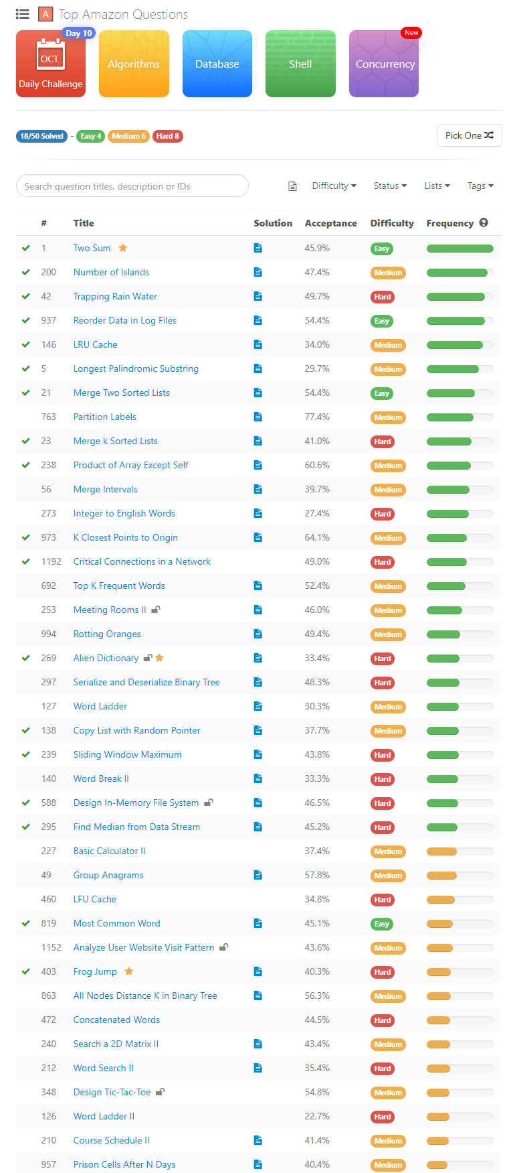
Done | # | Title | Difficulty
Y | 200 | Number of Islands | Medium
Y | 937 | Reorder Data in Log Files | Easy
Y | 1192 | Critical Connections in a Network | Hard
Y | 1 | Two Sum | Easy
Y | 146 | LRU Cache | Medium
Y | 973 | K Closest Points to Origin | Medium
Y | 138 | Copy List with Random Pointer | Medium
Y | 819 | Most Common Word | Easy
N | 994 | Rotting Oranges | Medium
Y | 5 | Longest Palindromic Substring | Medium
N | 763 | Partition Labels | Medium
Y | 42 | Trapping Rain Water | Hard
Y | 23 | Merge k Sorted Lists | Hard
Y | 2 | Add Two Numbers | Medium
Y | 295 | Find Median from Data Stream | Hard
Y | 21 | Merge Two Sorted Lists | Easy
N | 692 | Top K Frequent Words | Medium
N | 957 | Prison Cells After N Days | Medium
N | 127 | Word Ladder | Medium
Y | 20 | Valid Parentheses | Easy
N | 297 | Serialize and Deserialize Binary Tree | Hard
N | 240 | Search a 2D Matrix II | Medium
Y | 103 | Binary Tree Zigzag Level Order Traversal | Medium
N | 527 | Subtree of Another Tree | Easy
N | 126 | Word Ladder II | Hard
N | 472 | Concatenated Words | Hard
N | 273 | Integer to English Words | Hard
N | 642 | Design Search Autocomplete System | Hard
N | 140 | Word Break II | Hard
Y | 3 | Longest Substring Without Repeating Characters | Medium
N | 4 | Median of Two Sorted Arrays | Hard
N | 212 | Word Search II | Hard
N | 348 | Design Tic-Tac-Toe | Medium
N | 17 | Letter Combinations of a Phone Number | Medium
N | 236 | Lowest Common Ancestor of a Binary Tree | Medium
N | 253 | Meeting Rooms II | Medium
N | 155 | Min Stack | Easy
Y | 238 | Product of Array Except Self | Medium
N | 460 | LFU Cache | Hard
N | 909 | Snakes and Ladders | Medium
N | 48 | Rotate Image | Medium
N | 1152 | Analyze User Website Visit Pattern | Medium
Y | 12 | Integer to Roman | Medium
Y | 15 | 3Sum | Medium
Y | 121 | Best Time to Buy and Sell Stock | Easy
Y | 239 | Sliding Window Maximum | Hard
N | 33 | Search in Rotated Sorted Array | Medium
Y | 269 | Alien Dictionary | Hard
N | 49 | Group Anagrams | Medium
N | 380 | Insert Delete GetRandom O(1) | Medium
Y | 588 | Design In-Memory File System | Hard
N | 675 | Cut Off Trees for Golf Event | Hard
N | 347 | Top K Frequent Elements | Medium
Y | 11 | Container With Most Water | Medium
Y | 53 | Maximum Subarray | Easy
N | 79 | Word Search | Medium
N | 76 | Minimum Window Substring | Hard
N | 45 | Jump Game II | Hard
N | 139 | Word Break | Medium
N | 56 | Merge Intervals | Medium
N | 54 | Spiral Matrix | Medium
N | 1167 | Minimum Cost to Connect Sticks | Medium
N | 165 | Compare Version Numbers | Medium
N | 545 | Boundary of Binary Tree | Medium
N | 206 | Reverse Linked List | Easy
N | 694 | Number of Distinct Islands | Medium
N | 733 | Flood Fill | Easy
N | 124 | Binary Tree Maximum Path Sum | Hard
N | 210 | Course Schedule II | Medium
N | 490 | The Maze | Medium
Y | 322 | Coin Change | Medium
N | 25 | Reverse Nodes in k-Group | Hard
N | 863 | All Nodes Distance K in Binary Tree | Medium
N | 341 | Flatten Nested List Iterator | Medium
N | 277 | Find the Celebrity | Medium
N | 105 | Construct Binary Tree from Preorder and Inorder Traversal | Medium
N | 116 | Populating Next Right Pointers in Each Node | Medium
N | 218 | The Skyline Problem | Hard
N | 99 | Recover Binary Search Tree | Hard
N | 22 | Generate Parentheses | Medium
N | 64 | Minimum Path Sum | Medium
N | 208 | Implement Trie (Prefix Tree) | Medium
N | 98 | Validate Binary Search Tree | Medium
N | 387 | First Unique Character in a String | Easy
N | 215 | Kth Largest Element in an Array | Medium
N | 207 | Course Schedule | Medium
N | 223 | Rectangle Area | Medium
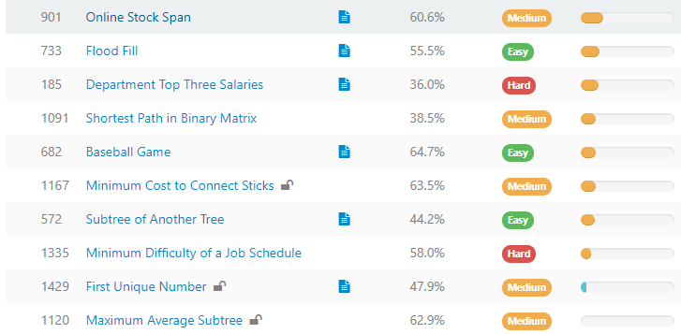
N | 535 | Encode and Decode TinyURL | Medium
Y | 84 | Largest Rectangle in Histogram | Hard
N | 221 | Maximal Square | Medium
N | 289 | Game of Life | Medium
N | 438 | Find All Anagrams in a String | Medium
N | 1102 | Path With Maximum Minimum Value | Medium
N | 224 | Basic Calculator | Hard
N | 117 | Populating Next Right Pointers in Each Node II | Medium
Y | 102 | Binary Tree Level Order Traversal | Medium
N | 1268 | Search Suggestions System | Medium
N | 55 | Jump Game | Medium
N | 362 | Design Hit Counter | Medium
N | 227 | Basic Calculator II | Medium

Google
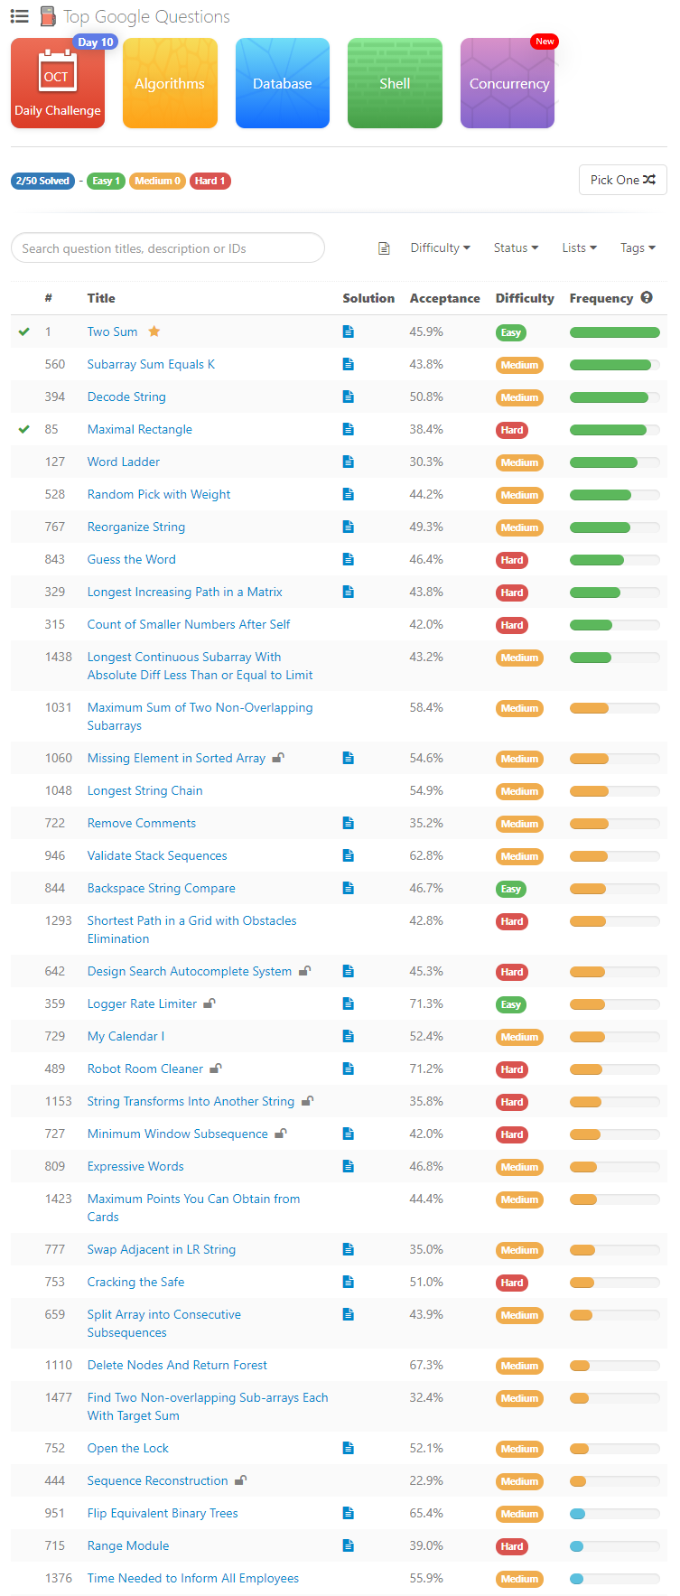

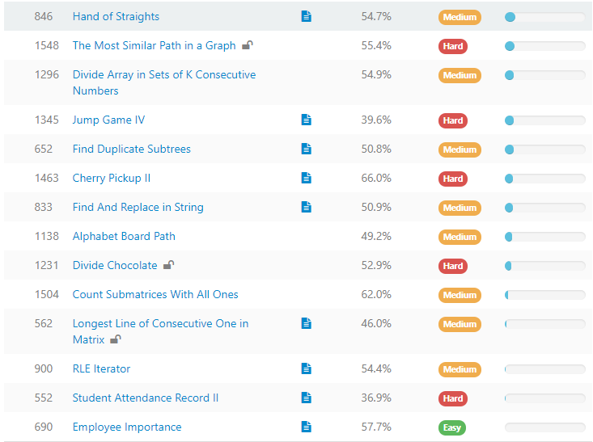

Microsoft


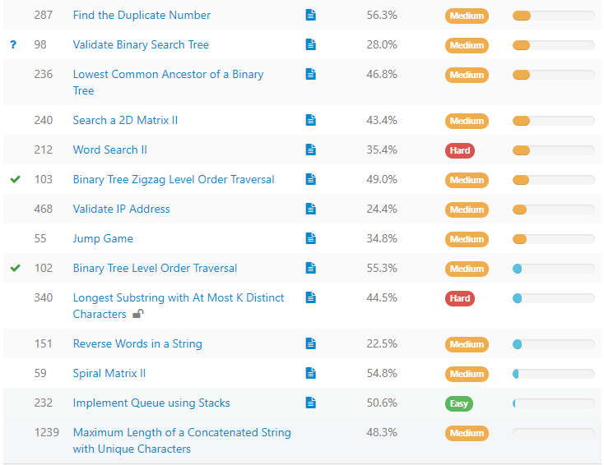

Facebook
